SPECIALS
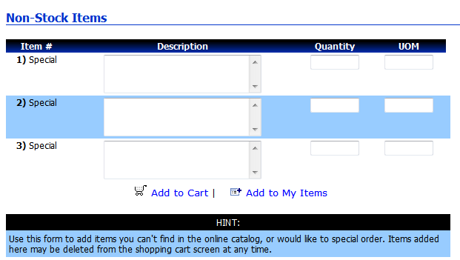
DISCUSSION OF SPECIAL AND NOT-STOCKED ITEMS 3/16/11 |  |  |  |  |  |  |  |  | AI# 34,35,36,37,38

 | Item Branch Record | In Catalog | Product Code Sent | Description | ACCESS expects | MAX expects | Send as line type | Question | Changes required
 | W | Y | From Catalog | From Catalog | P/S | P/S | P or S |  | None
 | M | Y | From Catalog | From Catalog | P | P |  |  | None
 | no record | N | "SPECIAL" | <User entered desc> <User item> <Qty><UOM> Need to look at the UI design and decide if we allow user to key into separate fields or do we have them key everything into the description field? | C | N | C | User could also enter user specific information (Cust fields 1,2,3, Customer PO, etc. - these fields would then also be populated. | wM - If description is > than what the legacy can accept split into multiple comment lines. Need to provide specific mapping changes to wM for each legacy. LEGACY - will identify these lines with "SPECIAL" in Product code field. STERLING: Will need to put "SPECIAL" "Comment" in the Prod. Code field and concatenate the Description field as specified. OP Response: Legacies will need to return information as sent from web, wM needs to adjust their mapping and Sterling needs be able to accept a SPECIAL Comment line. Web: Review where we can enter a Non-catalog item - may need to change how we access the entry modal (may not have to change the modal itself) - Allow the system to automatically populate the Prod. Code field with SPECIAL. and not allow the user to key a Prod. Code except into the description field. Also need to see impact for Call Center.
Need to review all the above based on new conversations on 3.22.11
 | Current xpedx.com Non-Stock Screen.

